Sheet1
 | 

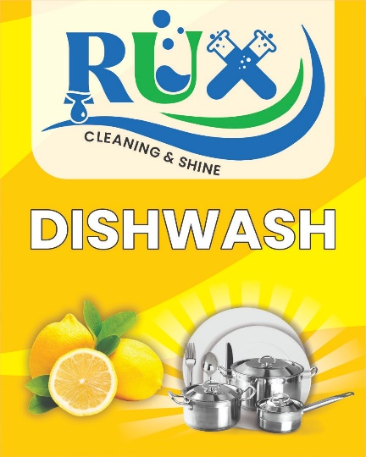
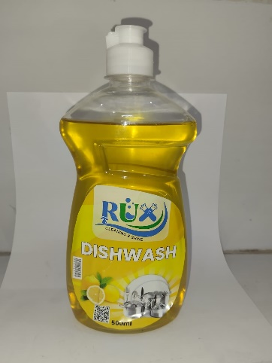

SR | Description | Volume | Manufecturing price | End user estimated | Carton Size | Picture
1 | RUX DISH WASH LIQUID | 500ml | 155 | 200 | 24 X 500ml
2 | RUX DISH WASH LIQUID | 300ml | 100 | 140 | 36 X 300ml
3 | RUX TOILET BOWL LIQUID | 500ml | 150 | 200 | 24 X 500ml | 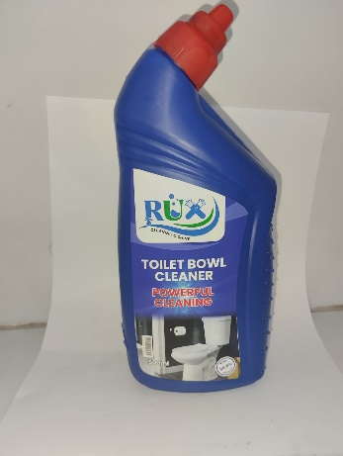 | 
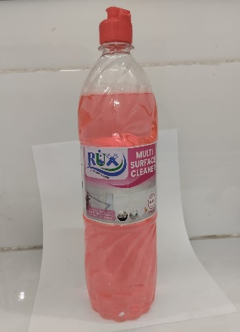
4 | RUX TOILET BOWL LIQUID | 250ml | 90 | 130 | 36 X 250ml
5 | RUX MULTI SURFACE CLEANER | 1000ml | 185 | 250 | 12 X 1000ml |  | 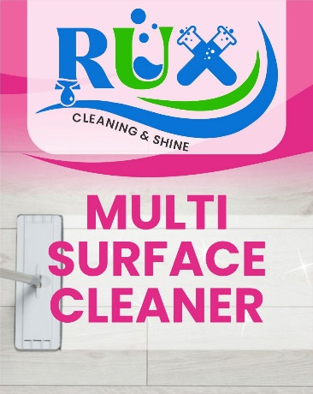 | TM # 768691
6 | RUX BLUE | 150ml | 45 | 70 | 72 X 150 ml | 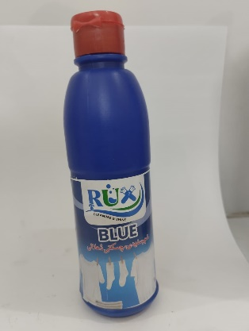 |  |  | rux.chemicals@gmail.com
7 | RUX SOLAR CLEANER | 1000mL | INPROCESS |  |  |  |  |  | 03006458707
8 | RUX BLEACH | 500ml |  |  |  |  | 
9 | RUX SOLAR CLEANER | 2.5L
10 | RUX WASHING LIQUID | 1000mL

